Actual Operation Evidence
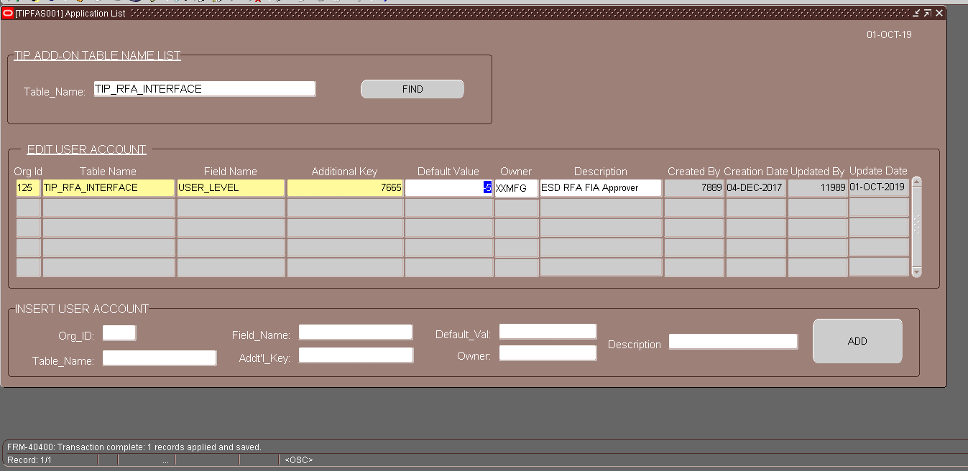
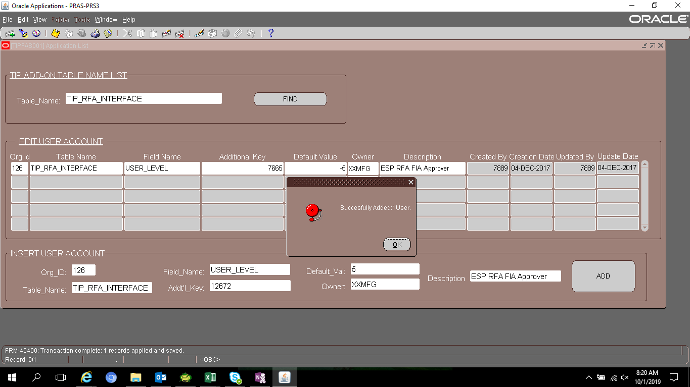
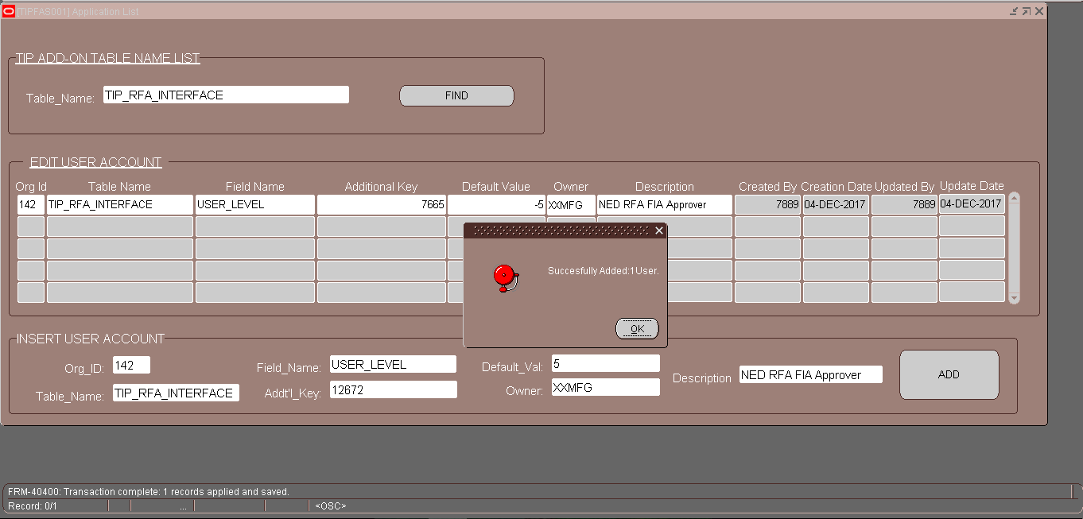
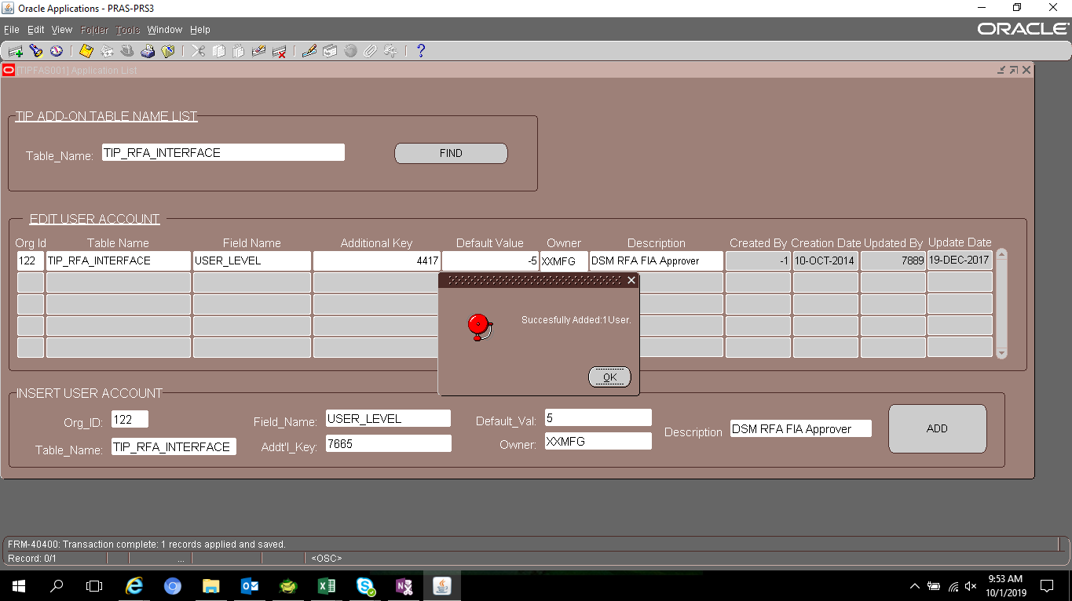
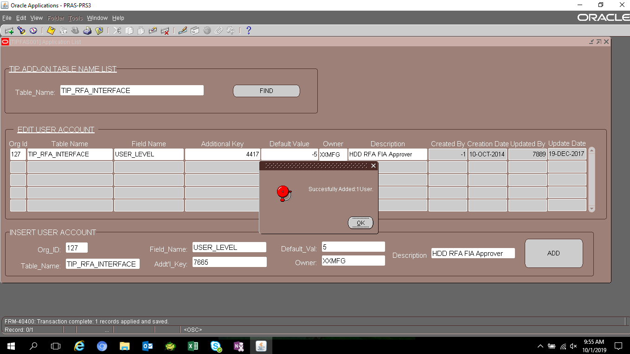
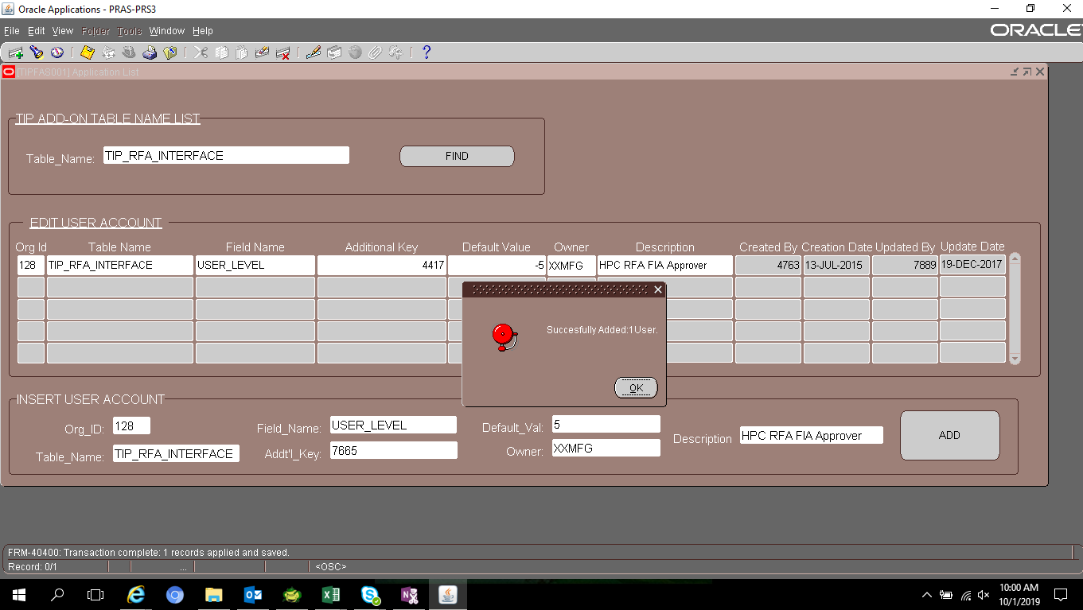

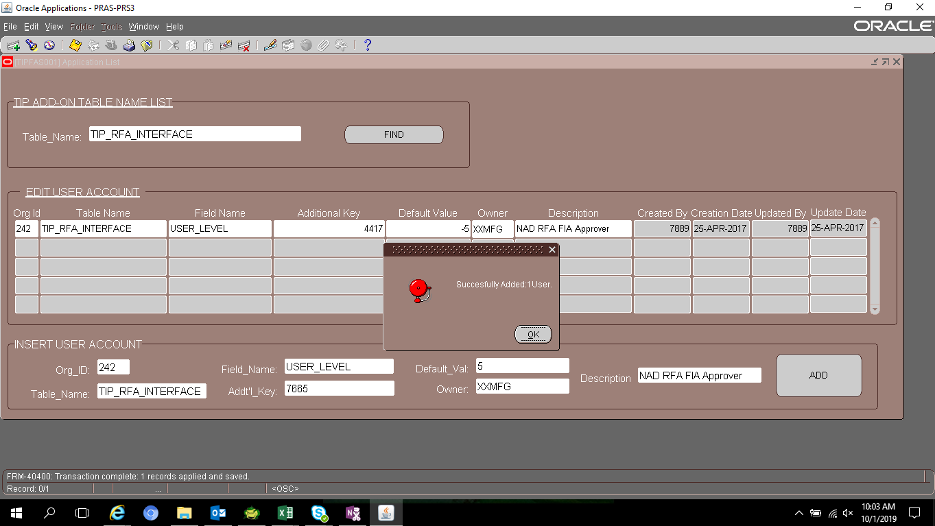
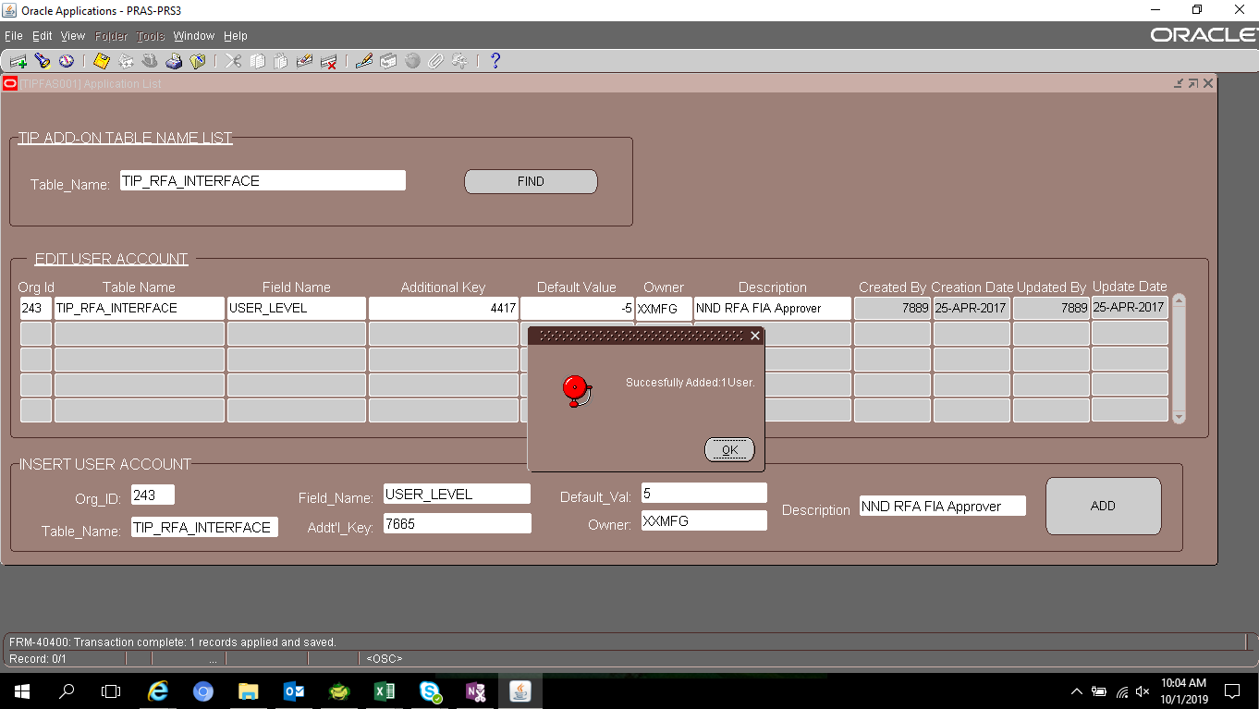
Actual Operation Evidence

'125', | ESD | 125 | Gay | 7665 | Roceta | 12672
'126', | ESP | 126 | FROM |  | TO
'142', | NED | 142

 |  |  | Leyban | 4417 | Gay | 7665
'122', | 122 | DSM | FROM |  | TO
'127', | 127 | HDD
'128', | 128 | HPC
'241', | 241 | NHD
'242', | 242 | NAD
'243', | 243 | NND

Helpdesk Request
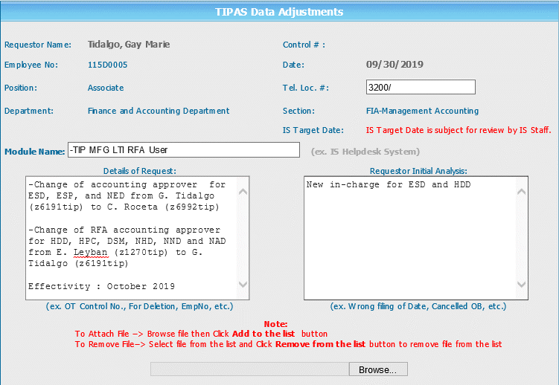
Helpdesk Request

 | ATTACH SCREENSHOT OF HELPDESK REQUEST.

